HOME

 |  | CMO QUARTERLY RETURNS (E-FORM)
 |  |  |  | YOUR COMPANY NAME: |  |  |  | REG NUMBER | REPORTING PERIOD | YEAREND DATE | NO OF REGISTERED FUNCTIONS | MINIMUM CAPITAL REQUIREMENT | CAPITAL ADEQUACY | Broker | 1 | 200,000,000.00
 |  |  |  |  |  |  |  |  | 30-Sep-16 |  |  | - | ADEQUATE | Dealer | 2 | 100,000,000.00
 |  |  |  |  |  |  |  |  |  |  |  |  | (Kindly note that this is not the final status of your company. The Commission reserves the right to re-compute a Capital Market Operator's Capital Adequacy upon the review of information contained in the filed returns .) | Broker/Dealer | 3 | 300,000,000.00
 |  |  |  |  |  |  |  |  | 0 |  |  |  |  | Funds/Portfolio Manager | 4 | 150,000,000.00
 |  |  |  |  | CLICK TO DISPLAY OVERALL VIEWS |  |  |  |  |  |  |  |  | Trustee | 5 | 300,000,000.00
 |  |  |  |  |  |  |  |  |  |  |  |  |  | Issuing House | 6 | 200,000,000.00
 |  |  |  | Statement of Financial Position |  |  |  |  |  |  |  |  |  | Investment Adviser | 7 | 5,000,000.00
 |  |  |  |  |  |  |  |  |  |  |  |  |  | Rating Agency | 8 | 150,000,000.00
 | FREQUENTLY ASKED QUESTIONS |  |  | Statement of Profit or Loss and Other Comprehensive Income |  |  |  |  |  |  |  |  |  | Underwriter | 9 | 200,000,000.00
 |  |  |  |  |  |  |  |  |  |  |  |  |  | Market Maker | 10 | 500,000,000.00
 | QUARTERLY RETURN FORMS |  |  | Statement of Changes in Equity
 | SEC QR FORMS:
 | BROKER/DEALERS |  |  | Statement of Cashflow
 | MARKET MAKERS
 | FUNDS/PORTFOLIO MANAGERS
 | ISSUING HOUSE |  |  | STATEMENT OF FINANCIAL POSITION
 | UNDERWRITERS |  |  | Assets |  | Liabilities |  | Equity
 | TRUSTEES
 | STATE BOND ISSUE |  | 1 | Cash and Cash Equivalents | 1 | Clients Deposit for purchase of shares | 1 | Share capital
 | INVESTMENT ADVISERS |  | 2 | Financial Assets/Investments | 2 | Portfolio under Management(Previous Quarter) | 2 | Irredeemable preference shares
 | RATING AGENCIES |  | 3 | Securities borrowed/purchased under resale agreements | 3 | Portfolio under Management(Quarter under review) | 3 | Share premium
 |  |  | 4 | Receivables | 4 | Payables | 4 | Retained Earnings
NSE FORMS (BROKER/DEALERS ONLY) |  |  | 5 | Margin loans | 5 | Bank loans | 5 | Other Components of Equity
 | ERROR TRADE REPORT |  | 6 | Due from related companies | 6 | Securities loaned and obligations under repurchase agreements
 | PROP TRADING REPORT |  | 7 | Investment Property | 7 | Due to related companies
 | REP OFFICE REPORT |  | 8 | Investment in Subsidiaries | 8 | Deposit for shares |  | STATEMENT OF COMPREHENSIVE EARNINGS
 | BRANCH REPORT |  | 9 | Investment in associates | 9 | Deferred Tax Liabilities
 |  |  | 10 | Deferred tax assets | 10 | Tax payable | 1 | Commission and fees income
 |  |  | 11 | Other assets | 11 | Other liabilities | 2 | Commission and fees expense
 |  |  | 12 | Property, Plant and Equipments | 12 | Sinking fund account | 3 | Trading income, net
 |  |  | 13 | Intangible assets | 13 | Provisions | 4 | Investment income
 |  |  | 14 | Statutory deposits | 14 | Redeemable preference shares | 5 | Other income
 |  |  |  |  |  |  | 6 | Other operating expense
 |  |  |  |  |  |  | 7 | Finance cost
 |  |  |  |  |  |  | 8 | Impairments

 |  |  |  |  |  |  |  | OTHER COMPREHENSIVE EARNINGS

 |  |  |  |  |  |  | 1 | Items recycled to P&L
 |  |  |  |  |  |  | 2 | Items not recycled to P&L
 |  |  |  |  |  |  | 3 | Share of comprehensive income of associates

FAQ
HOME

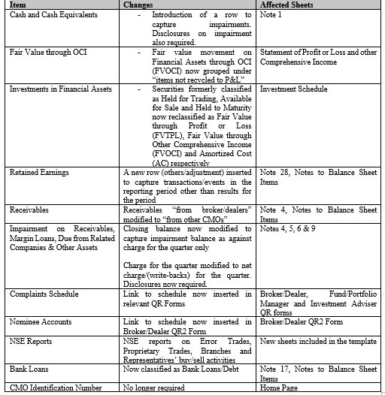
 | 1 | What has changed from the previous version? | What has changed from the previous version?
 | Ans: |  | Why is the closing value of financial assets not reporting from the schedule to the Statement of Financial Position (SFP)?
 |  |  | Why does a cell show "REF" error when the cut and past function is used?
 |  |  | What do we do if the line items in the financial statements and notes do not adequately capture all items in a firm's chart of accounts?
 |  |  | Can the template/ line items be modified?
 |  |  | How can a new Accountant/Finance Officer/newly registered CMO be trained on the use of the template?
 |  |  | What are QR Forms?
 |  |  | How should a CMO quarterly return be filed?

 | 2 | Why is the closing value of financial assets not reporting from the schedule to the Statement of Financial Position (SFP)?

 | Ans: | The SFP may not capture the total value of financial assets if i) The asset is not accurately classified as FVTPL (Fair Value through P&L), FVTOCI (Fair Value through OCI) or AC* (Amortized Cost) ii) If the ownership of the asset is not accurately identified as "o" (propreitary) or "c" (clients') *Equities are not exepcted to be classified as amortized cost

 | 3 | Why does a cell show "REF" error when the cut and past function is used?

 | Ans: | Cutting figures from a cell with a different format may affect the formatting in the destination cell. However, figures may be copied and pasted.

 | 4 | What do we do if the line items in the financial statements and notes do not adequately capture all items in a firm's chart of accounts?

 | Ans: | Most key items have an "others" option to report on items that have not been directly captured in the template. However, CMOs are required to provide an accompanying explanatory note to provide a comprehensive breakdown and disclosure on figures reported as "others"

 | 5 | Can the template/ line items be modified?

 | Ans: | Under no circumstance should the template be modified. Submissions received in templates other that the version made available on the Commisison's website would considered as invalid and the CMO may be sanctioned for attempting to submit misleading returns to the Commisison.

 | 6 | How can a new Accountant/Finance Officer/newly registered CMO be trained on the use of the template?

 | Ans: | New CMOs or finance officers using the template for the first time may contact the Commission to request for a walkthrough on the template.

 | 7 | What are QR Forms?

 | Ans: | The QR Forms are the Commission's approved quarterly return forms for the different registered functions. CMOs are to select their registered function and fill in the relevant QR Form. QR forms are to be filled completely and signed off by the Managing Director/CEO, Chief Finance Officer and Compliance Officer every quarter. An unsigned QR form would be regarded as an incomplete filing. Likewise, a filing without the financial statements is regarded as incomplete.

 | 8 | How should a CMO quarterly return be filed?

 | Ans: | After duly completing the QR form and financial statements (using the same template), the template should be saved with the quarter, year and name of the firm.e.g Q1 2020 ABC Asset Managers Limited. An email attaching the saved return and using the quarter, year and firm name as subject matter, should be forwarded to the SEC dedicated email address for the relevant function. Upon receipt by the Commission, an automated acknowledgement is sent.

 | 9 | Are helplines available?

 | Ans: | The Commission may be contacted for help/support in completing the CMO Quarterly Returns Template prior to the submission deadline. Emails may be sent to the dedicated email address for each function. CMOs may also call 09 4621133 Ext 1247.

